Pubmed timeline
Timeline

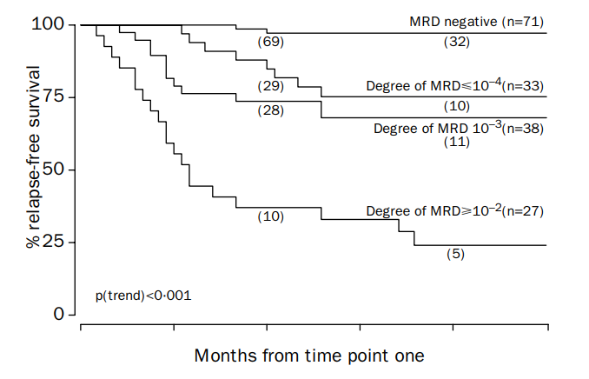
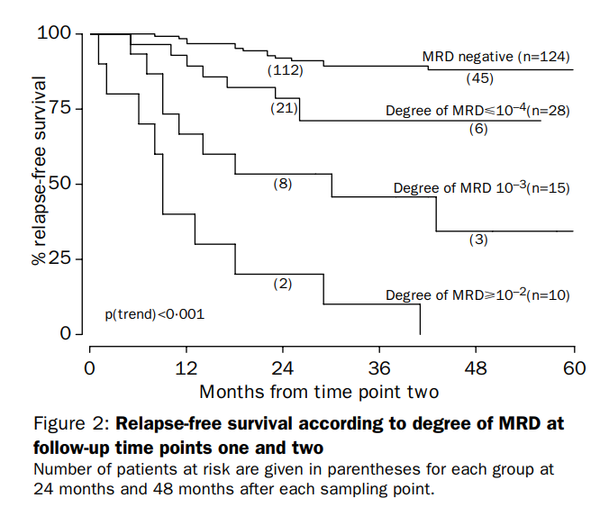
Pubmed search
1998 | Prognostic value of minimal residual disease in acute lymphoblastic leukaemia in childhood
 | doi:10.1016/S0140-6736(98)04058-6
 | n=240, childhood ALL, from n=625 march 1991 to may 1995 study
 | say they have MRD 10-2 or more, 10-3, 10-4 or less
 | looking at gene rearangements w PCR from BM samples
 | 1425 BM samples analyzed
 | SRG, MRG, HRG

 | Relapse rates at 3yrs
 | MRD | Time points
 |  | 1 | 2 | 3 | 4 | 5 | 6 | 7 | 8 | 9
 | neg | 2.8% | 11.3% | 10.8% | 0.16184971098 | 0.084337349398 | 0.08547008547 | 0.061728395062 | 0.060810810811 | 0.042105263158
 | pos | 40.8% | 50.9% | 68.1% | 0.78947368421 | 0.85714285714 | 0.625 | 0.77777777778 | 0.83333333333 | 0.5
 | low (<10-4) | 24.2% | 28.6% | 59.3% | 0.069444444444 | 0.75 | 0.25 | 0.66666666667
 | int (10-3) | 31.6% | 60.0% | 50.0%
 | high (>10-2) | 74.1% | 100.0% | 100.0%

2002 | Detection of minimal residual disease identifies differences in treatment response between T-ALL and precursor B-ALL
 | https://doi.org/10.1182/blood.V99.12.4386 |  |  |  |  | the euro/ dutch consortium
 | BM samples, 9time pts, 71 children, T-ALL (n=71), compared to precursor B-ALL(n=210)previous study
 | MRD at TP1 5wks (end of induction), TP2 3mths (before consolidation)
 | high risk MRD was 10-3 or higher
 | T-ALL | B-ALL
n= | 43 | 109 |  | LR | TP1+TP2 MRD neg
low risk p=0.01 | 23% | 46% |  | IR | the rest
5yr RFS | 98%+ | 98%+ |  | HR | TP1+TP2 MRD pos
high risk | 28% | 11%
5yr RFS | 0% | 25%
n= | 71 | 210%
5yr RFS | 60% | 76%

2008 | Minimal residual disease-directed risk stratification using real-time quantitative PCR analysis of immunoglobulin and T-cell receptor gene rearrangements in the international multicenter trial AIEOP-BFM ALL 2000 for childhood acute lymphoblastic leukemia
 | https://doi.org/10.1038/leu.2008.5
 | The 10-year update on the I-BFM-SG MRD study 91 |  |  |  |  |  | AIEOP-BFM ALL 2000, jul 2000 to oct 2004
 | event free survival |  |  |  |  |  | 3341 pts
SR | 93%
IR | 74%
HR | 16% | two or more sensitive targets

2011 | Late MRD response determines relapse risk overall and in subsets of childhood T-cell ALL: results of the AIEOP-BFM-ALL 2000 study
 | https://doi.org/10.1182/blood-2011-03-338707 |  |  |  |  |  |  | Trial AIEOP-BFM-ALL 2000
 | trying to set prognostic value for MRD in childhood T-ALL

 | n=464, T-ALL |  |  | MRD | 7yr even free survival p<0.001
 | SR | negative TP1+TP2 |  | 16% | 91.10%
 | IR | negative TP1 OR TP2, and <10-3 d78 |  | 63% | 80.60%
 | HR | pos (>10-3) d78 |  | 21% | 49.80%
 | needed at least 2 genetic markers for MRD
 | EuroMRD used to set guidelines for FP/FN

2012 | High-Throughput Sequencing Detects Minimal Residual Disease in Acute T Lymphoblastic Leukemia
 | DOI:10.1126/scitranslmed.3003656
 | aplying HTS to T-ALL pts
 | N=43, assessed MRD at d29 post tx
 | MRD not detected
 | clonoseq | MFC
 | 37% | 71%
 | potential for technology to define lower detection thresholds for MRD that could affect tx decisions

2014 | Detection of minimal residual disease in B lymphoblastic leukemia by high-throughput sequencing of IGH
 | doi: 10.1158/1078-0432.CCR-13-3231 |  |  |  |  |  | bone marrow
 | HTS of IGH genes in B-ALL samples for MRD
 | pre and post d29 tx samples
 | comparing HTS and MFC
 | n=98, 92 have rearangements
 | MRD found in all MFC pos cases by HTS, no false neg
 | and some MFC neg were HTS pos
 |  | For this study, a very conservative definition of a neoplastic clone was chosen as representing a minimum of 10% of nucleated cells
 |  | Quantifying the fraction of B cells in bone marrow or blood The ClonoSEQ™ assay amplifies and sequences rearranged IGH molecules.
 |  | We quantify the amount of DNA input into the assay and convert this to the equivalent total number of nucleated cells, assuming ∼6.4 pg genomic DNA per diploid cell

2014 | Minimal Residual Disease Detection By Next Generation Sequencing in Adult B-Cell Acute Lymphoblastic Leukemia (ALL) Patients Treated on SWOG Trial S0333
 | https://doi.org/10.1182/blood.V124.21.2399.2399
 | ph2 study, n=153, B-ALL, multicenter "SWOG S0333", academic study, not drug co sponsored, at fred hutch
 | N=32 ND B-ALL, analyzed popln
 | sensitivity 10-6, if clone >5% of total rep of IgG, it's leukemic
 | looking at rearangements, no mention yet of translocations

 | Comparison to MFC, n=66
 | NGS+/MFC- | NGS-/MFC+ | concordant
 | 18% | 2% | 82%

 | 54 paired BM and PB samples
 |  | median values of leukemia 6fold higher in BM than PB
 | 25 pairs show no detectable MRD
 | MRD+ in 20/29 PB remaining cases
 |  | 1 was MRD neg w BM
 | in 6/9 pairs disease detected in BM but not PB by NGS, but 0/9 were MRD + by MFC

 | NGS MRD -ive pts had 5yr relapse free survival of 80%
 | MRD +ive w MFC+NGS, all dead by mth 22
 | intermediate RFS
 | NGS+ only | MRD -ive by both
p | 0.078 | 0.04

2014 | A Complementary Role of High Throughput Sequencing and Multiparameter Cytometry for Minimal Residual Disease (MRD) Detection in Chronic Lymphocytic Leukemia (CLL):an European Research Initiative (ERIC) Study
 | https://doi.org/10.1182/blood.V124.21.1976.1976
 | comparison btwn MFC and clonoseq
 | The feasibility of using MRD as a surrogate or intermediate endpoint for accelerated approval of new treatments is under review by regulatory agencies but further prospective validation is required.
 | n=109 for comparison, 21 dilution study, 88 post-tx, complete data on 13/88
 |  | 94% concordance at 10-4, n=14
 |  | they note more variability in quant but stronger LoD and linearity
 |  | does not require viable cells

2015 | IgH-V(D)J NGS-MRD measurement pre- and early post-allotransplant defines very low- and very high-risk ALL patients
 | doi: 10.1182/blood-2014-12-615757
 | ALL, MFC vs NGS, post-HCT eval
 | n=56, B-ALL
2yrs | NGS-ive | MFC -ive | NGS+ive | MFC+ive
relapse, p<0.0001 | 0% | 16%
survival, p=0.003 | 96% | 77%
d30 relapse, p=0.004 |  |  | 67% | 35%
hazard ratio, p=0.05 |  |  | 7.7 for either NGS or MFC+ive

2015 | Phase I/II Clinical Trial of CpG-Activated Whole Cell Vaccine in Mantle Cell Lymphoma (MCL): Results in Safety and Efficacy from Planned Interim Analysis
Blood | https://doi.org/10.1182/blood.V126.23.1536.1536
 | ph1/2, n=59, transplant study, MCL, at Stanford, academic, OL
 | primary endpt: MRD from ASCT using clonoseq, 10-4

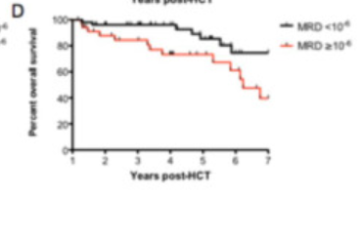
2015 | Molecular Remission One Year Following Reduced-Intensity Allogeneic Hematopoietic Cell Transplantation for Chronic Lymphocytic Leukemia Predicts Relapse-Free and Overall Survival: A Multi-Institutional Landmark Analysis
Blood | https://doi.org/10.1182/blood.V126.23.4340.4340
 | CLL, landmark analysis, assessing prognostic utility of mol MRD
 | in 97pts IgH calibration rate was 90%
 | 5 archived samples didn't work
 | pts alive and in remission at 1yr:
 | MRD-ive 10-6 |  | MRD+ive 10-6
relapse, p<0.0001 | 5.30% |  | 59%
Hazard ratio, p=0.03 | 2.6

2016 | A complementary role of multiparameter flow cytometry and high-throughput sequencing for minimal residual disease detection in chronic lymphocytic leukemia: an European Research Initiative on CLL study
 | Leukemia (2016) 30, 929–936; doi:10.1038/leu.2015.313

 | comparison btwn MFC and clonoseq on CLL pts
 | compared at 10-4, but discuss 10-6 linearity/ potential
 | i) N=13 peripheral blood
 | ii) n=18, dilution samples from 3 CLL cases
 | iii) N=51, peripheral blood CLL pts, had done Sanger seq
 |  | more of an academic study
 |  | setting the stage for "hard cases", setting thresholds

2016 | Ibrutinib efficacy and tolerability in patients with relapsed chronic lymphocytic leukemia following allogeneic HCT
 | Blood (2016) 128 (25): 2899–2908.
 | 4/11 pts evaluated w clonoseq, achieved MRD-ive 10-4

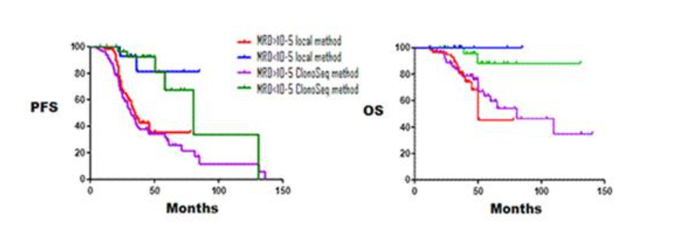
2016 | Prognostic Impact of Molecular Response Assessed By Next-Generation Sequencing in a Large Cohort of Multiple Myeloma Patients
 | MRD in MM with clonoseq and in-house Spanish group
 | in-house |  | clonoSEQ
n | 71 |  | 110
 | MRD-ive | MRD+ive | MRD-ive | MRD+ive

mPFS,mths | NR | 34 | 81 | 32
mOS, mths | NR | 81 | NR | 50

2016 | Comparison of MRD Detection By MFC, NGS and PET-CT in Patients at Different Treatment Stages for Multiple Myeloma
Blood | https://doi.org/10.1182/blood.V128.22.377.377
 | The achievement of Minimal Residual Disease (MRD) negativity has become a new standard of care for patients with multiple myeloma (MM).
 | n=100, at least VGPR, all got MFC (10-5), NGS (10-6) and PET-CT
 | 1 | NDMM: n=53
 | 2 | Remish: n=32 |  | post SCT
 | 3 | RRMM: n=5
 | 90pts had clonal rearangement |  |  |  |  |  |  | Functional imaging of Multiple Myeloma (MM) is redefining our knowledge of disease patterns. A pattern, termed macrofocal MM (macro MM), is defined by the presence of focal lesions and the absence of significant intervening bone marrow (BM) infiltration.
 | Cohort 1: | 6 in induction, MRD +ive my NGS+MFC
 |  | 8 post SCT, 6 -ive MFV, 2 -ive NGS
 |  | 39 maintenance, 26 -iveMFC, 17-ive NGS
 | Cohort 2: | 19 -ive MFC, 15 -ive NGS
 |  | long remission group >5yrs, off tx for 2yrs+, n=14
 |  | 14 MFC -ive, 11 NGS -ive
 | Cohort 3: | 4pts <0.01% MRD by NGS and MFC (10-4)
 |  | PET-CT sees new lesions in 4/5, MACROFOCAL disease

2016 | Efficacy of Daratumumab, Bortezomib, and Dexamethasone Versus Bortezomib and Dexamethasone in Relapsed or Refractory Myeloma Based on Prior Lines of Therapy: Updated Analysis of Castor
blood | https://doi.org/10.1182/blood.V128.22.1150.1150
 | CASTOR study
 | Updated efficacy and safety data, including analyses of MRD status across different sensitivity thresholds (10-4, 10-5, and 10-6), will be presented at the meeting.
 | MRD secondary endpt
 | don’t disclose n for evaluated pts, only rates

2016 | Evaluation of Minimal Residual Disease (MRD) in Relapsed/Refractory Multiple Myeloma (RRMM) Patients Treated with Daratumumab in Combination with Lenalidomide Plus Dexamethasone or Bortezomib Plus Dexamethasone
blood | https://doi.org/10.1182/blood.V128.22.246.246
 | POLLUX study
 | This is the first comprehensive and prospective study of MRD to date in randomized phase 3 clinical trials of RRMM patients and investigates the ability of DARA-containing regimens to drive deep responses in this challenging population.
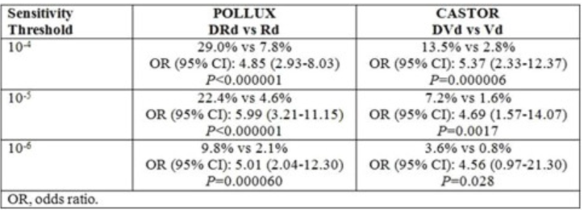
 | MRD at time of CR, 6m and 12m after first dose
 | clonoseq study, 10-4 to 10-6
 | POLLUX study |  | CASTOR
 | DRd | Rd | DVd | Vd
no MRD tests | 63% | 87% | 76% | 87%

2017 | Acalabrutinib in relapsed or refractory mantle cell lymphoma (ACE-LY-004): a single-arm, multicentre, phase 2 trial
 | https://doi.org/10.1016/S0140-6736(17)33108-2
 | need to get paper
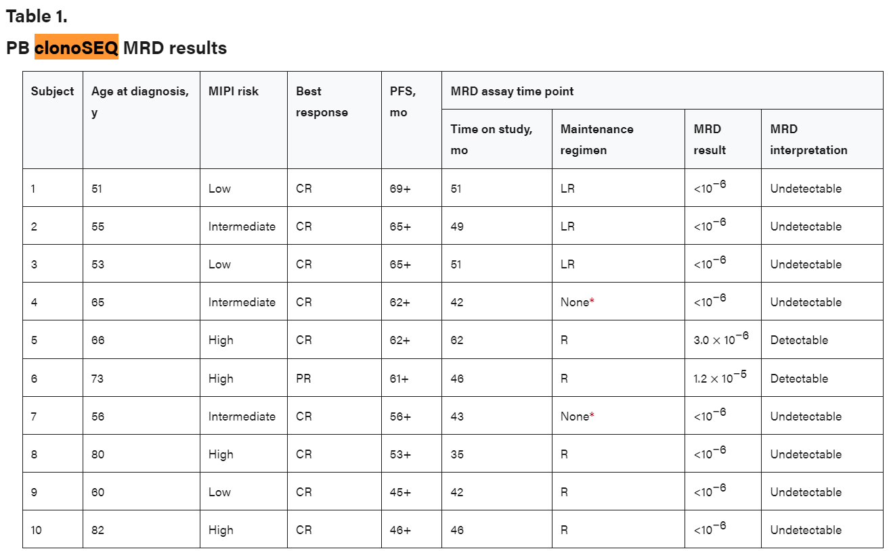
2018 | Five-year follow-up of lenalidomide plus rituximab as initial treatment of mantle cell lymphoma
 | Blood (2018) 132 (19): 2016–2025.
 | https://doi.org/10.1182/blood-2018-07-859769
 | clonoseq accepted as exploratory endpt
 | peripheral blood testing, 8/10 pts MRD-ive who had 3+yrs of tx w samples for analysis
 |  | tumor clonotypes defined as reads >5% freq
 | they were added into this study. It was not designed prospectively to include MRD
 | The kinetics of achieving MRD negativity with LR induction, the predictive value of MRD status on response duration, and the outcome both on and off LR maintenance therapy, as well as the molecular remission rate of LR relative to other lenalidomide-based novel regimens,34-36 remain to be determined in future studies.
 | A number of ongoing frontline MCL studies with prospective and serial monitoring of MRD may provide clues to some of the questions, including the phase 2 randomized United States intergroup E1411 with induction of bendamustine and rituximab (BR), with or without bortezomib, followed by maintenance with LR vs R alone (NCT01415752) and the phase 3 randomized European MCL Network LR Elderly study evaluating induction with R-CHOP + R-HAD (rituximab, high dose cytarabine, and dexamethasone) vs R-CHOP alone, followed by maintenance with LR vs R alone.

2018 | De novo application to FDA
 | indication: using PCR and NGS to quanitfy rearanged IgH(VDJ+DJ), IgK, IgL receptor gene seqs and translocated BCL1+2/ IgH (J) seqs in DNA from BM in ALL and MM pts
 |  | single site, operating in line with guidelines established by docs
 | Clinical Performance
 | ALL: | AALL0232 and AALL0331
 | MM: | DFCI Study 10-106, ALCYONE study

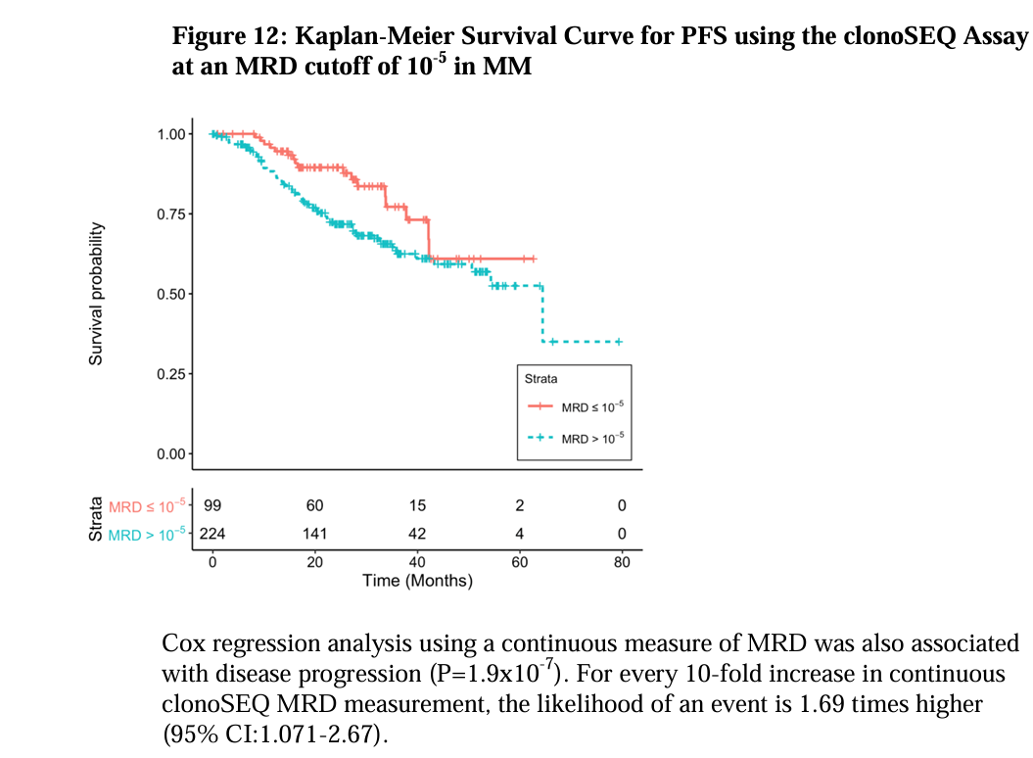
 | Randomized Trial of Lenalidomide, Bortezomib, Dexamethasone vs High-Dose Treatment With SCT in MM Patients up to Age 65 (DFCI 10-106)
 | objective was to show clonoseq predictive of PFS and DFS in MM
 | n=720, 365 evaluated by clonoseq
 |  | looked at and found no characteristics that skewed popln
 |  |  | age, gender, ISS staging, cytogenetic status, PFS
 | 323 samples passed QC
 |  | fail rate | 12%
 | 75 in CR
 | aimed to show association btwn first measured MRD in CRpts and PFS in all evaluable pts
 | continuous clonoSEQ MRD modestly associated with DFS in pts w CR p=0.064
 | clonoseq -ive 10-5 predicts PFS p=0.027

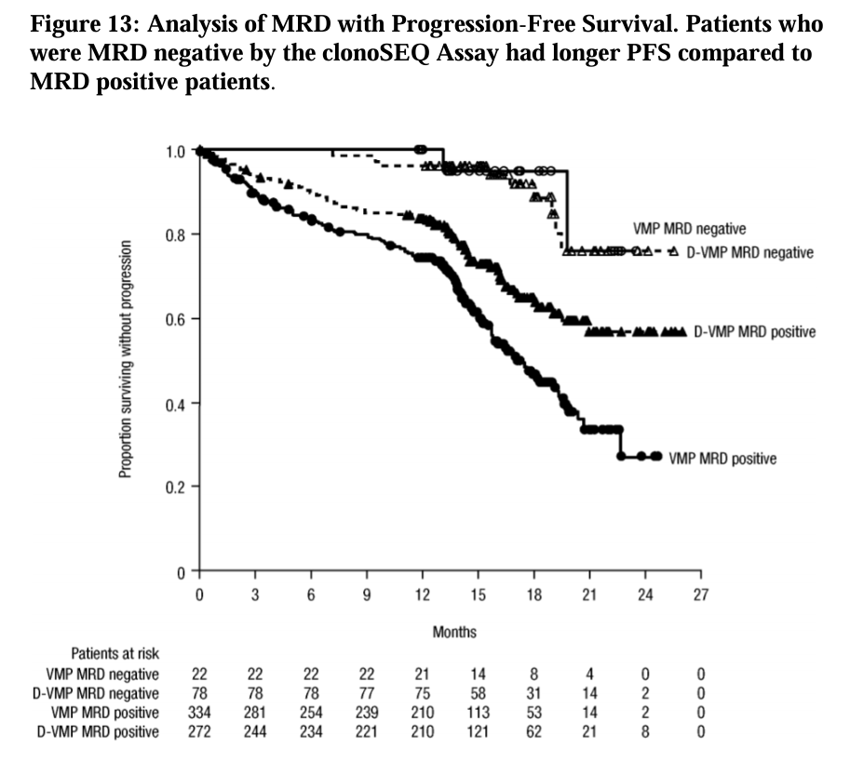
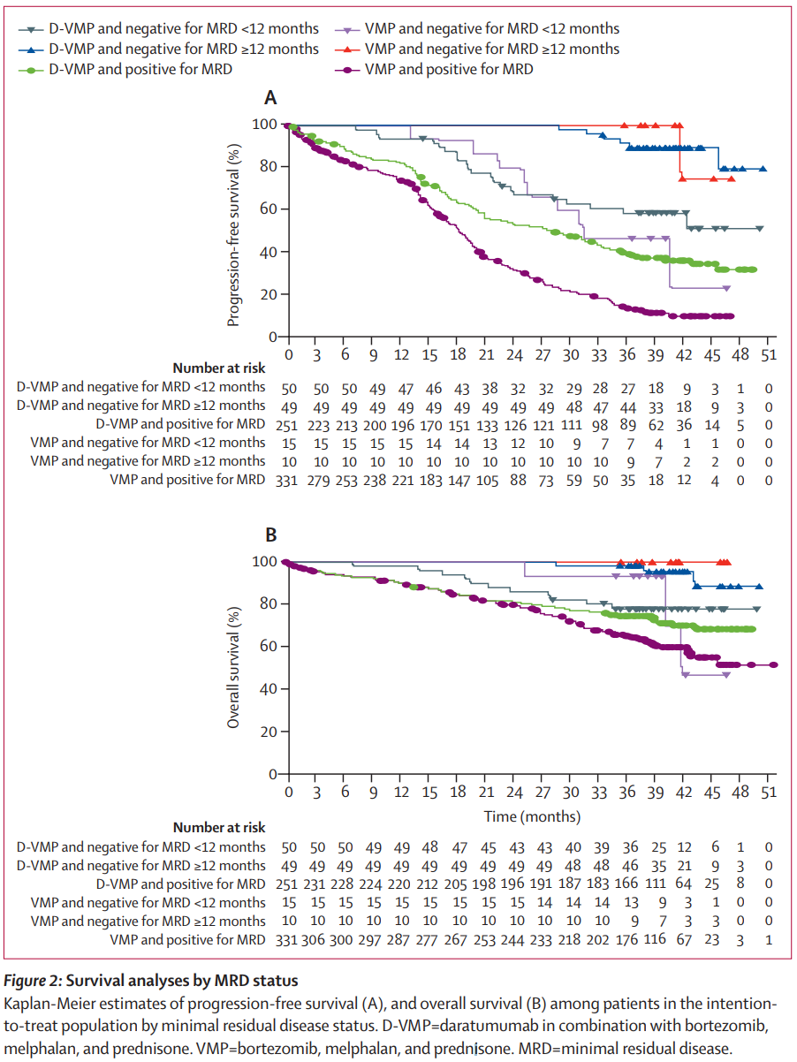
2020 | Overall survival with daratumumab, bortezomib, melphalan, and prednisone in newly diagnosed multiple myeloma (ALCYONE): a randomised, open-label, phase 3 trial
 | DOI: 10.1016/S0140-6736(19)32956-3
 | Used in the de novo app for ADPT
 | interim readout from 2014-Nov 2017 used to support application
 | D-VMP
 | n=706, NDMM, eligible for SCT
 | result reported by Mateos 2018
 | BM taken at time of confirmation of CR or sCR
 | if not CR, considered MRD +ive
 | MRD 10-5
 | samples taken at 12m, 18m, 24m, 30m after first dose
 | in all tx groups MRD-ive pts at <10-5, longer PFS

start | D-VMP
n | 350
MRD-ive <12m | 50
MRD-ive 12m+ | 49
MRD+ive | 251
 | VMP
n | 356
MRD-ive <12m | 15
MRD-ive 12m+ | 10
MRD+ive | 331

